Data Aug Details
Speaker | Layer Frozen | Training Loss Graph | Training Accuracy Graph | Accuracy | % Change from Normal

F05 | Augmented_F05_D3 | 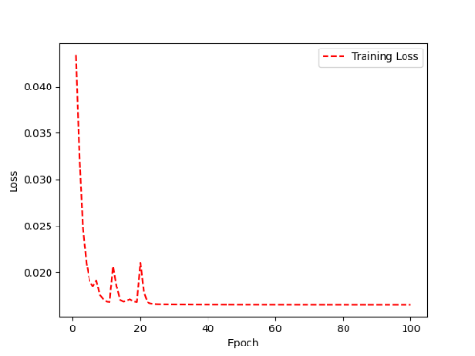 | 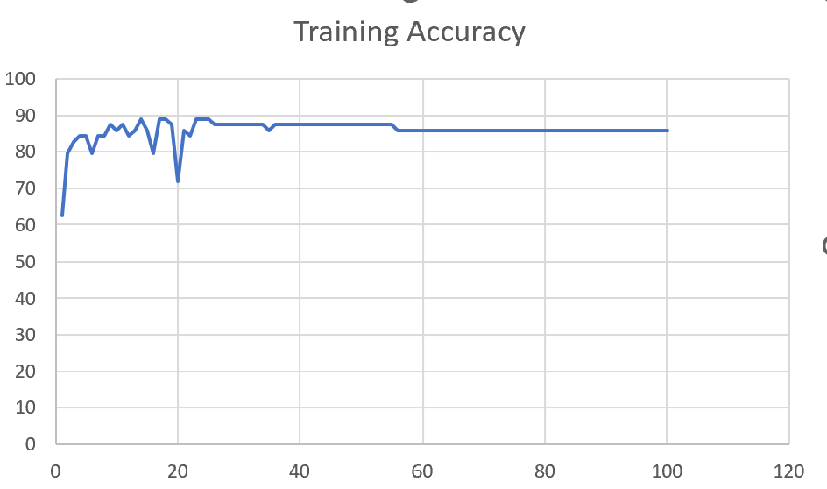 | 93 | 2

 | Augmented_F05_TE | 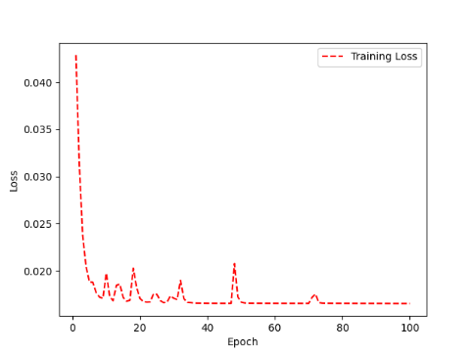 | 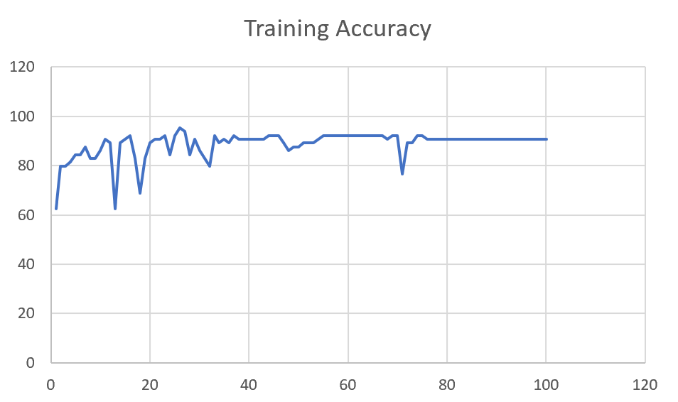 | 93 | 3

M08 | Augmented_M08_T3+D123 | 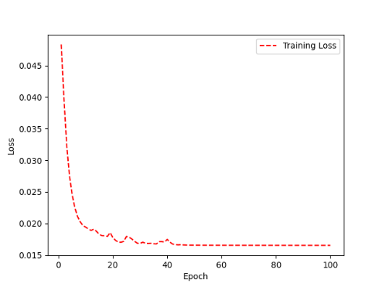 | 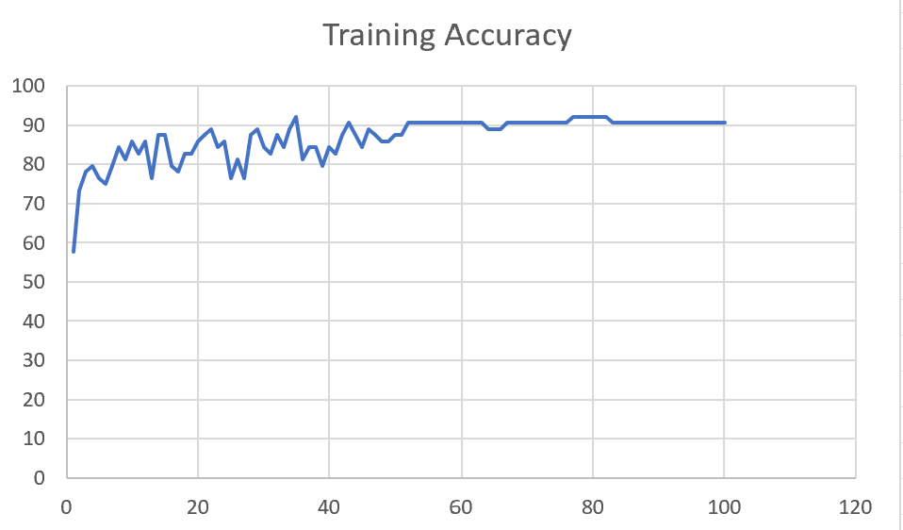 | 88 | 4

 | Augmented_M08_T3+D12 | 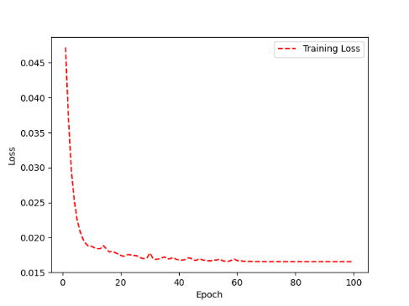 | 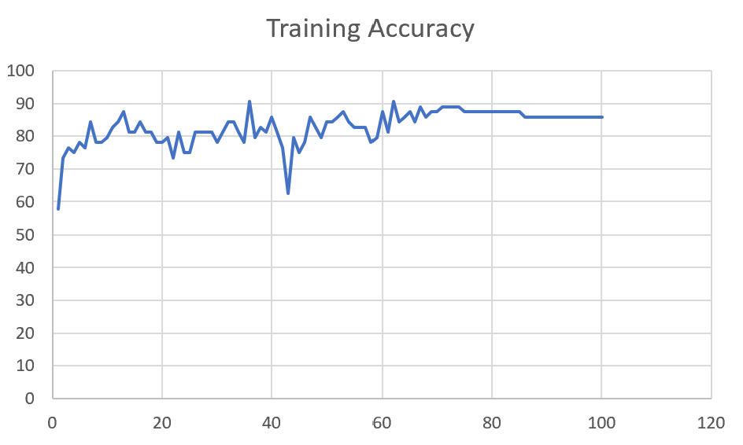 | 88 | 6

M10 | Augmented_M10_T3+D1 | 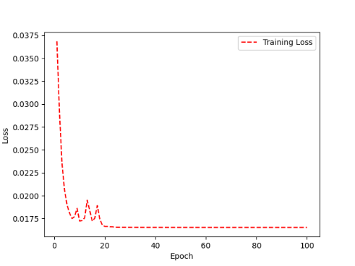 | 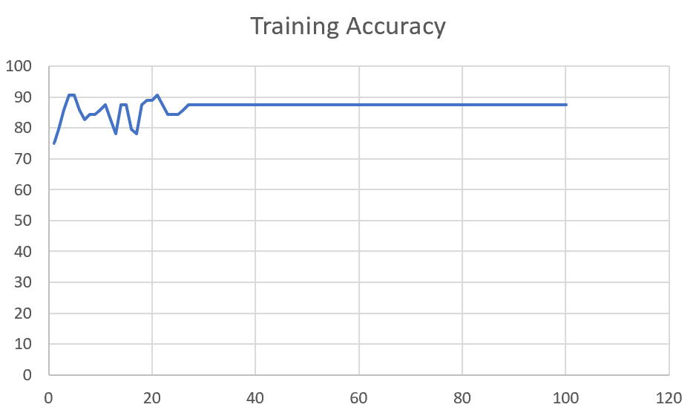 | 91 | -1

 | Augmented_M10_E1 | 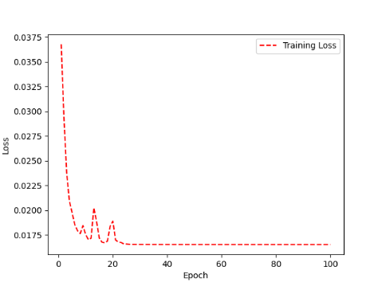 | 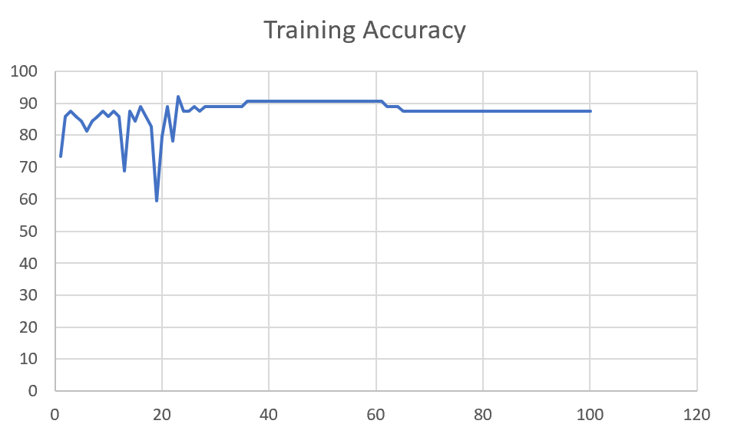 | 91 | 0

M14 | Augmented_M14_D3 | 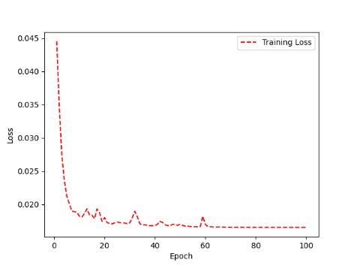 | 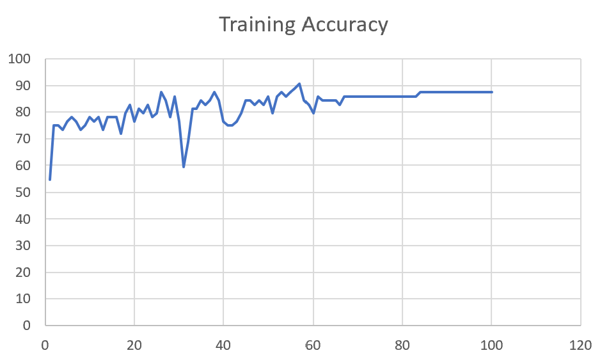 | 84

 | Augmented_M14_T3+D1 | 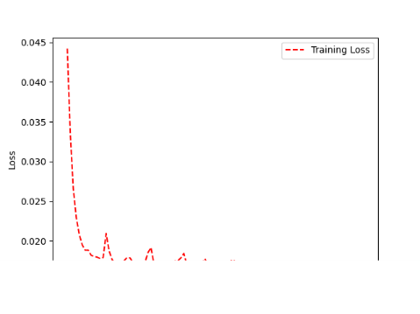 | 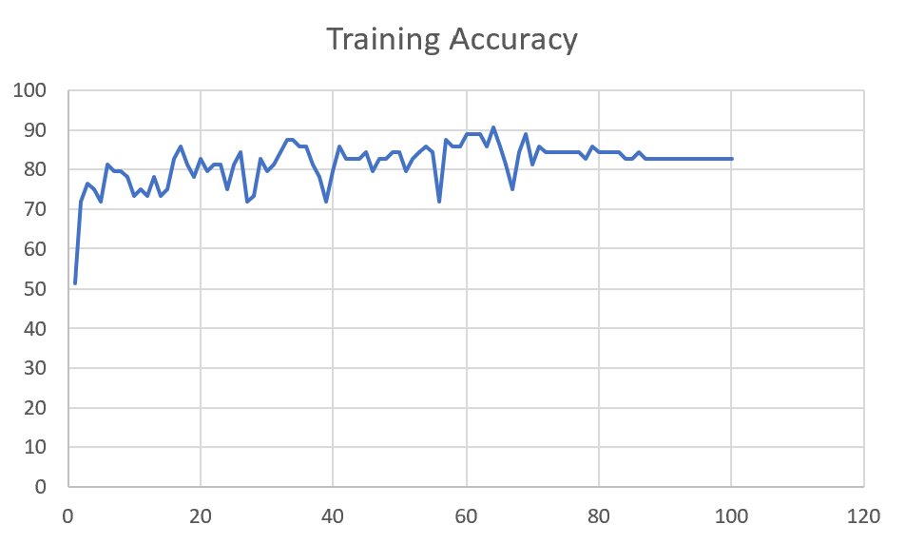 | 85

M09 | Augmented_M09_D3 | 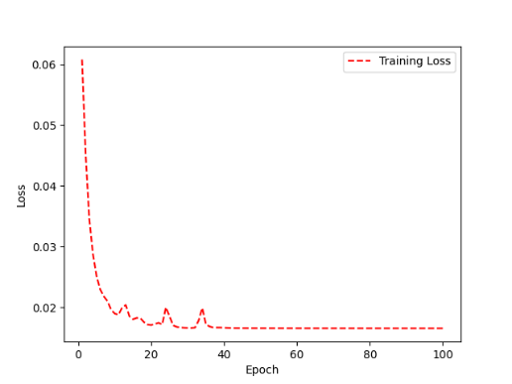 | 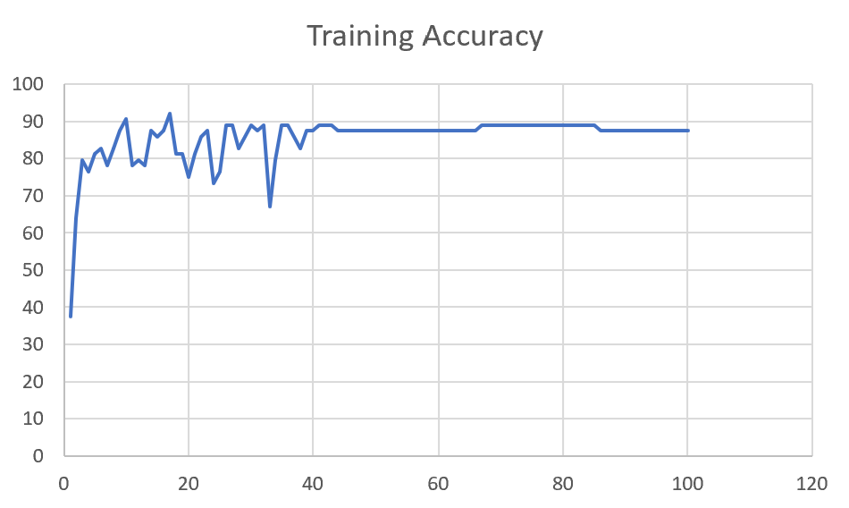 | 84

 | Augmented_M09_TE | 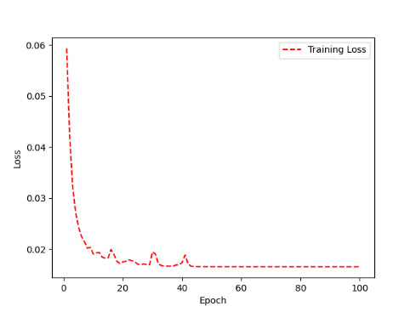 | 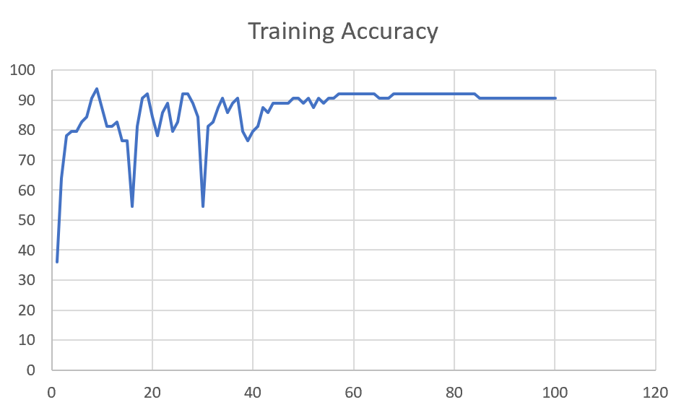 | 82

F04 | Augmented_F04_TE | 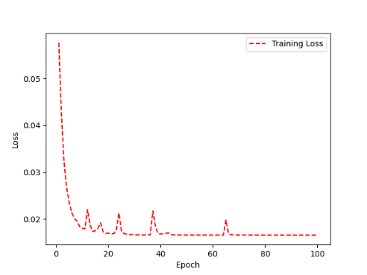 | 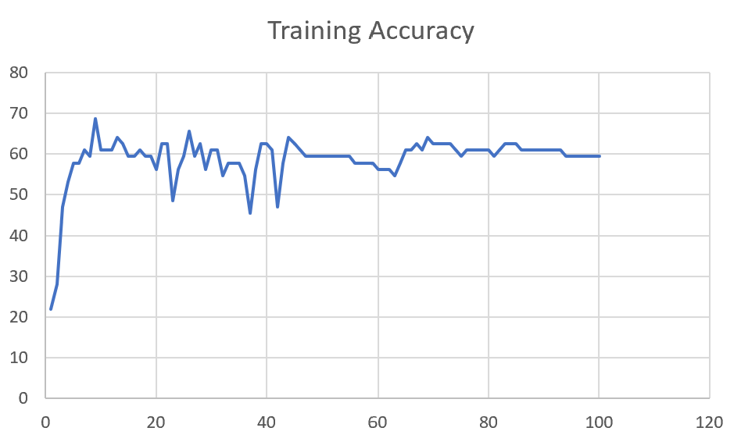 | 69

 | Augmented_F04_TE+D1

M11 | Augmented_M11_TE

 | Augmented_M11_D3

M05 | Augmented_M05_D3

 | Augmented_M05_TE+D1

M16 | Augmented_M16_D3

 | Augmented_M16_TE+D1

F02 | Augmented_F02_TE

 | Augmented_M05_TE+D1

M07 | Augmented_M07_D3

 | Augmented_M07_TE+D12

M01 | Augmented_M05_D3

 | Augmented_M05_TE+D1

M12 | Augmented_M12_TE+D1

 | Augmented_M12_D3

F03 | Augmented_F03_TE+D1

 | Augmented_F03_TE

M04 | Augmented_M04_TE

 | Augmented_M04_E1

Sheet1
 |  |  | Training Accuracy
0 | 0.78125 | 1 | 21.875
1 | 0.71875 | 2 | 28.125
2 | 0.53125 | 3 | 46.875
3 | 0.46875 | 4 | 53.125
4 | 0.421875 | 5 | 57.8125
5 | 0.421875 | 6 | 57.8125
6 | 0.390625 | 7 | 60.9375
7 | 0.40625 | 8 | 59.375
8 | 0.3125 | 9 | 68.75
9 | 0.390625 | 10 | 60.9375
10 | 0.390625 | 11 | 60.9375
11 | 0.390625 | 12 | 60.9375
12 | 0.359375 | 13 | 64.0625
13 | 0.375 | 14 | 62.5
14 | 0.40625 | 15 | 59.375
15 | 0.40625 | 16 | 59.375
16 | 0.390625 | 17 | 60.9375
17 | 0.40625 | 18 | 59.375
18 | 0.40625 | 19 | 59.375
19 | 0.4375 | 20 | 56.25
20 | 0.375 | 21 | 62.5
21 | 0.375 | 22 | 62.5
22 | 0.515625 | 23 | 48.4375
23 | 0.4375 | 24 | 56.25
24 | 0.40625 | 25 | 59.375
25 | 0.34375 | 26 | 65.625
26 | 0.40625 | 27 | 59.375
27 | 0.375 | 28 | 62.5
28 | 0.4375 | 29 | 56.25
29 | 0.390625 | 30 | 60.9375
30 | 0.390625 | 31 | 60.9375
31 | 0.453125 | 32 | 54.6875
32 | 0.421875 | 33 | 57.8125
33 | 0.421875 | 34 | 57.8125
34 | 0.421875 | 35 | 57.8125
35 | 0.453125 | 36 | 54.6875
36 | 0.546875 | 37 | 45.3125
37 | 0.4375 | 38 | 56.25
38 | 0.375 | 39 | 62.5
39 | 0.375 | 40 | 62.5
40 | 0.390625 | 41 | 60.9375
41 | 0.53125 | 42 | 46.875
42 | 0.421875 | 43 | 57.8125
43 | 0.359375 | 44 | 64.0625
44 | 0.375 | 45 | 62.5
45 | 0.390625 | 46 | 60.9375
46 | 0.40625 | 47 | 59.375
47 | 0.40625 | 48 | 59.375
48 | 0.40625 | 49 | 59.375
49 | 0.40625 | 50 | 59.375
50 | 0.40625 | 51 | 59.375
51 | 0.40625 | 52 | 59.375
52 | 0.40625 | 53 | 59.375
53 | 0.40625 | 54 | 59.375
54 | 0.40625 | 55 | 59.375
55 | 0.421875 | 56 | 57.8125
56 | 0.421875 | 57 | 57.8125
57 | 0.421875 | 58 | 57.8125
58 | 0.421875 | 59 | 57.8125
59 | 0.4375 | 60 | 56.25
60 | 0.4375 | 61 | 56.25
61 | 0.4375 | 62 | 56.25
62 | 0.453125 | 63 | 54.6875
63 | 0.421875 | 64 | 57.8125
64 | 0.390625 | 65 | 60.9375
65 | 0.390625 | 66 | 60.9375
66 | 0.375 | 67 | 62.5
67 | 0.390625 | 68 | 60.9375
68 | 0.359375 | 69 | 64.0625
69 | 0.375 | 70 | 62.5
70 | 0.375 | 71 | 62.5
71 | 0.375 | 72 | 62.5
72 | 0.375 | 73 | 62.5
73 | 0.390625 | 74 | 60.9375
74 | 0.40625 | 75 | 59.375
75 | 0.390625 | 76 | 60.9375
76 | 0.390625 | 77 | 60.9375
77 | 0.390625 | 78 | 60.9375
78 | 0.390625 | 79 | 60.9375
79 | 0.390625 | 80 | 60.9375
80 | 0.40625 | 81 | 59.375
81 | 0.390625 | 82 | 60.9375
82 | 0.375 | 83 | 62.5
83 | 0.375 | 84 | 62.5
84 | 0.375 | 85 | 62.5
85 | 0.390625 | 86 | 60.9375
86 | 0.390625 | 87 | 60.9375
87 | 0.390625 | 88 | 60.9375
88 | 0.390625 | 89 | 60.9375
89 | 0.390625 | 90 | 60.9375
90 | 0.390625 | 91 | 60.9375
91 | 0.390625 | 92 | 60.9375
92 | 0.390625 | 93 | 60.9375
93 | 0.40625 | 94 | 59.375
94 | 0.40625 | 95 | 59.375
95 | 0.40625 | 96 | 59.375
96 | 0.40625 | 97 | 59.375
97 | 0.40625 | 98 | 59.375
98 | 0.40625 | 99 | 59.375
99 | 0.40625 | 100 | 59.375
<__main__.DisplayOutputs object at 0x7f53f262f3d0> | 0.40625 | #VALUE! | 59.375
<__main__.DisplayOutputs object at 0x7f53f262f3d0> | 0.390625 | #VALUE! | 60.9375
<__main__.DisplayOutputs object at 0x7f53f262f3d0> | 0.25 | #VALUE! | 75
<__main__.DisplayOutputs object at 0x7f53f262f3d0> | 0.328125 | #VALUE! | 67.1875
<__main__.DisplayOutputs object at 0x7f53f262f3d0> | 0.25 | #VALUE! | 75
<__main__.DisplayOutputs object at 0x7f53f262f3d0> | 0.203125 | #VALUE! | 79.6875
<__main__.DisplayOutputs object at 0x7f53f262f3d0> | 0.28125 | #VALUE! | 71.875
<__main__.DisplayOutputs object at 0x7f53f262f3d0> | 0.28125 | #VALUE! | 71.875
<__main__.DisplayOutputs object at 0x7f53f262f3d0> | 0.359375 | #VALUE! | 64.0625
<__main__.DisplayOutputs object at 0x7f53f262f3d0> | 0.421875 | #VALUE! | 57.8125
<__main__.DisplayOutputs object at 0x7f53f262f3d0> | 0.328125 | #VALUE! | 67.1875
<__main__.DisplayOutputs object at 0x7f53f262f3d0> | 0.28125 | #VALUE! | 71.875
<__main__.DisplayOutputs object at 0x7f53f262f3d0> | 0.21875 | #VALUE! | 78.125
<__main__.DisplayOutputs object at 0x7f53f262f3d0> | 0.296875 | #VALUE! | 70.3125
<__main__.DisplayOutputs object at 0x7f53f262f3d0> | 0.3125 | #VALUE! | 68.75
<__main__.DisplayOutputs object at 0x7f53f262f3d0> | 0.28125 | #VALUE! | 71.875
<__main__.DisplayOutputs object at 0x7f53f262f3d0> | 0.31147540984 | #VALUE! | 68.852459016
<__main__.DisplayOutputs object at 0x7fcfe04bb910> | 0.640625
<__main__.DisplayOutputs object at 0x7fcfe04bb910> | 0.50819672131

